EAP Targets 25th CEE
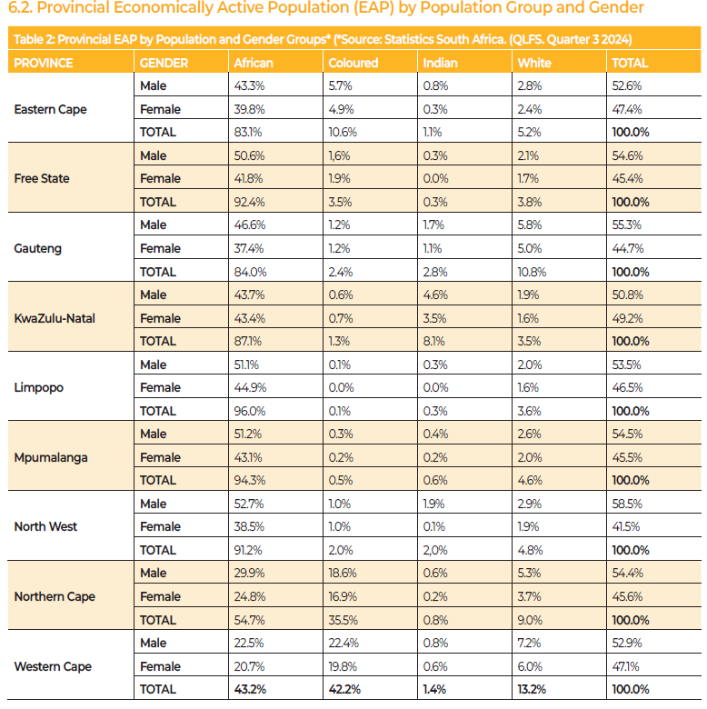
Year of report: 2024 - 2025 |  |  |  |  | Number of report: 25th
 | AM | CM | IM | WM | AF | CF | IF | WF | Black % | All%
Limpopo | 51.1% | 0.1% | 0.3% | 2.0% | 44.9% | 0.0% | 0.0% | 1.6% | 96.4% | 100.0%
KwaZulu-Natal | 43.7% | 0.6% | 4.6% | 1.9% | 43.4% | 0.7% | 3.5% | 1.6% | 96.5% | 100.0%
Free State | 50.6% | 1.6% | 0.3% | 2.1% | 41.8% | 1.9% | 0.0% | 1.7% | 96.2% | 100.0%
Mpumalanga | 51.2% | 0.3% | 0.4% | 2.6% | 43.1% | 0.2% | 0.2% | 2.0% | 95.4% | 100.0%
North West | 52.7% | 1.0% | 1.9% | 2.9% | 38.5% | 1.0% | 0.1% | 1.9% | 95.2% | 100.0%
Eastern Cape | 43.3% | 5.7% | 0.8% | 2.8% | 39.8% | 4.9% | 0.3% | 2.4% | 94.8% | 100.0%
Northern Cape | 29.9% | 18.6% | 0.6% | 5.3% | 24.8% | 16.9% | 0.2% | 3.7% | 91.0% | 100.0%
Gauteng | 46.6% | 1.2% | 1.7% | 5.8% | 37.4% | 1.2% | 1.1% | 5.0% | 89.2% | 100.0%
Western Cape | 22.5% | 22.4% | 0.8% | 7.2% | 20.7% | 19.8% | 0.6% | 6.0% | 86.8% | 100.0%
National | 43.5% | 4.6% | 1.7% | 4.1% | 37.5% | 4.2% | 1.0% | 3.4% | 92.5% | 100.0%

